Bug Report
BUG Report - Gydyrym Aleksandr

Category | Label | Value
Bug ID | ID number | #1
 | Name | Icon of Portugal flag is not colored when cursor hovering over it
 | Reporter | Aleksandr Gydyrym
 | Submit Date | 12.07.2022
Bug overview | Summary | Icon of Portugal flag is not colored when cursor hovering over it, also have a wrong picture of Portugal flag
Environment | Platform | Windows
 | Operating System | 10 Pro
 | Browser | Chrome Version: 103.0.5060.114
Bug details | Steps to reproduce 1 | Open home page of website: https://www.olx.bg/
 | Steps to reproduce 2 | Scroll down till bottom of website
 | Steps to reproduce 3 | Hover the cursor over flag icons
 | Expected result | Country flags are colored with a proper country flag color when cursor over icon
 | Actual result | When cursor hover over the Portugal flag, the flag color remained gray. As well, design of the Portugal flag is wrong.
 | Screenshot | 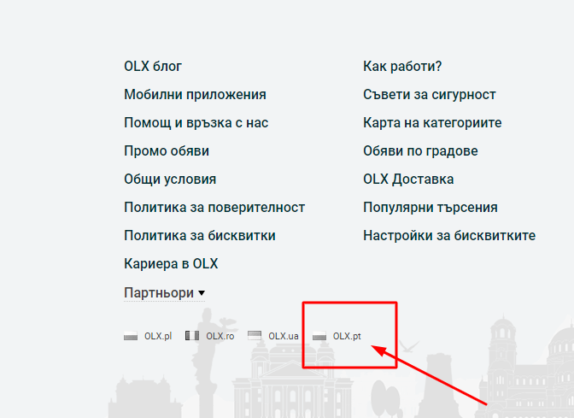
Bug tracking | Description | /
 | Severity | Major
 | Assigned to | /
Notes | Priority | Medium
 | Notes | /

